Data in figure 18
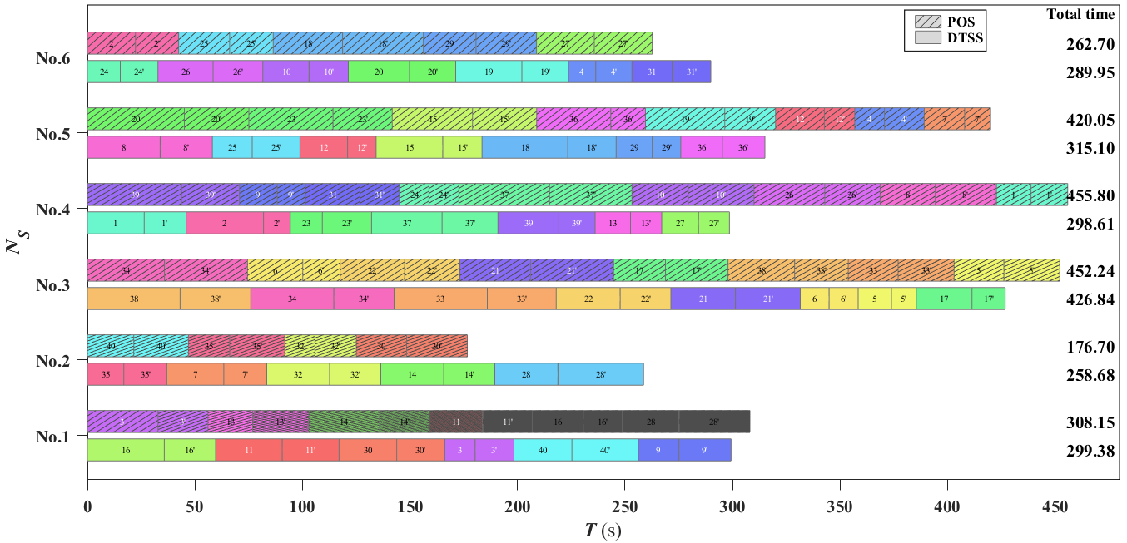
 | No.1 |  |  |  | No.2 |  |  |  | No.3
 | POS |  | DTSS |  | POS |  | DTSS |  | POS |  | DTSS
 | 3 | 32.84 | 16 | 35.76 | 40 | 21.56 | 35 | 16.93 | 34 | 35.83 | 38 | 43.12
 |  | 23.26 |  | 23.87 |  | 25.41 |  | 20.01 |  | 38.64 |  | 32.84
 | 13 | 20.75 | 11 | 30.97 | 35 | 19.19 | 7 | 26.49 | 6 | 25.70 | 34 | 38.64
 |  | 26.10 |  | 26.46 |  | 25.70 |  | 20.01 |  | 17.34 |  | 28.03
 | 14 | 32.92 | 30 | 26.79 | 32 | 14.00 | 32 | 29.20 | 22 | 30.03 | 33 | 43.36
 |  | 23.35 |  | 22.34 |  | 19.22 |  | 23.82 |  | 25.69 |  | 32.03
 | 11 | 24.66 | 3 | 14.12 | 30 | 23.37 | 14 | 29.28 | 21 | 32.85 | 22 | 29.75
 |  | 23.08 |  | 18.10 |  | 28.25 |  | 23.76 |  | 38.64 |  | 23.58
 | 16 | 23.63 | 40 | 26.93 |  |  | 28 | 29.34 | 17 | 24.13 | 21 | 30.04
 |  | 18.11 |  | 30.92 |  |  |  | 39.84 |  | 29.05 |  | 30.16
 | 28 | 26.48 | 9 | 18.85 |  |  |  |  | 38 | 31.01 | 6 | 13.39
 |  | 32.97 |  | 24.27 |  |  |  |  |  | 24.95 |  | 13.52
 |  |  |  |  |  |  |  |  | 33 | 23.18 | 5 | 15.46
 |  |  |  |  |  |  |  |  |  | 26.02 |  | 11.59
 |  |  |  |  |  |  |  |  | 5 | 23.16 | 17 | 25.87
 |  |  |  |  |  |  |  |  |  | 26.02 |  | 15.46
SUM |  | 308.15 |  | 299.38 |  | 176.70 |  | 258.68 |  | 452.24 |  | 426.84

 | No.4 |  |  |  | No.5 |  |  |  | No.6
 | POS |  | DTSS |  | POS |  | DTSS |  | POS |  | DTSS
 | Task | t(s) | Task | t(s) | Task | t(s) | Task | t(s) | Task | t(s) | Task | t(s)
 | 39 | 43.77 | 1 | 26.41 | 20 | 45.09 | 8 | 33.84 | 2 | 22.35 | 24 | 15.29
 |  | 26.96 |  | 19.51 |  | 30.02 |  | 24.29 |  | 20.09 |  | 17.54
 | 9 | 17.57 | 2 | 36.00 | 23 | 39.11 | 25 | 18.52 | 25 | 23.70 | 26 | 25.63
 |  | 13.10 |  | 12.44 |  | 27.55 |  | 22.22 |  | 20.26 |  | 23.13
 | 31 | 25.41 | 23 | 14.89 | 15 | 37.37 | 12 | 22.15 | 18 | 32.27 | 10 | 21.51
 |  | 18.29 |  | 22.89 |  | 29.81 |  | 13.24 |  | 37.57 |  | 18.27
 | 24 | 13.77 | 37 | 32.82 | 36 | 34.46 | 15 | 31.01 | 29 | 24.50 | 20 | 28.44
 |  | 13.92 |  | 26.00 |  | 16.14 |  | 18.26 |  | 28.16 |  | 21.46
 | 37 | 42.13 | 39 | 28.29 | 19 | 36.88 | 18 | 39.89 | 27 | 26.85 | 19 | 30.79
 |  | 38.36 |  | 16.87 |  | 23.61 |  | 22.49 |  | 26.95 |  | 21.67
 | 10 | 26.15 | 13 | 16.46 | 12 | 22.68 | 29 | 16.79 |  |  | 4 | 12.69
 |  | 30.60 |  | 14.53 |  | 14.12 |  | 13.25 |  |  |  | 16.84
 | 26 | 32.89 | 27 | 17.08 | 4 | 13.86 | 36 | 19.36 |  |  | 31 | 18.70
 |  | 25.75 |  | 14.42 |  | 18.49 |  | 19.79 |  |  |  | 17.99
 | 8 | 25.67 |  |  | 7 | 18.76
 |  | 28.44 |  |  |  | 12.10
 | 1 | 16.05
 |  | 17.05
SUM |  | 455.88 |  | 298.61 |  | 420.05 |  | 315.10 |  | 262.70 |  | 289.95

